ITP - Earthworks
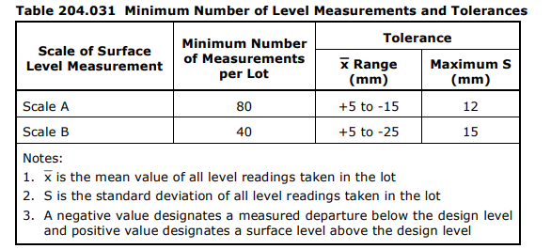
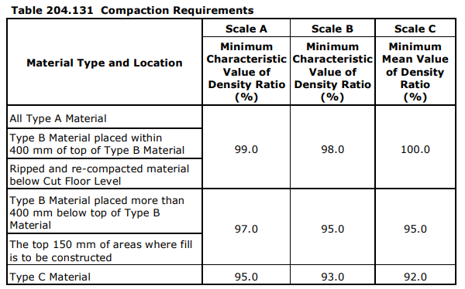
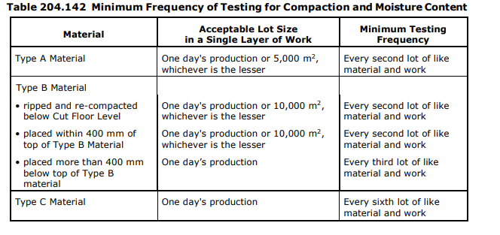
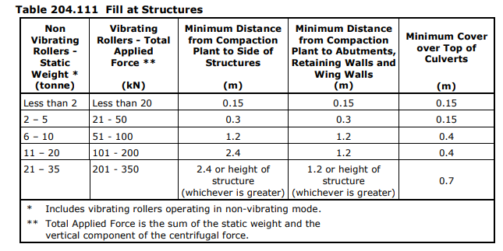
 |  |  | Inspection and Test Plan - Control and Supervision of the Works |  |  |  |  |  |  |  |  | Document #
 |  |  |  |  |  |  |  |  |  |  |  | Revision : | Date:

Client: |  | Department of State Growth |  | Construction Process: |  | Prepared by: |  |  | Reviewed by : |  |  | Approved by :
Project: |  | Bruny Island Link Map Link 74, Ch 6.47 to Ch 9.13 |  | Clearing and Grubbing,Earthworks - Cut, Fill and Subgrade Preperation |  | Name: Dhurv Patel |  |  | Name: |  |  | Name:
Contract No: |  |  |  | Specifications: Section 204, Contract Specific Clauses, EMP
 |  |  |  | Structure / Component: |  | Signed : |  |  | Signed : |  |  | Signed :
 |  |  |  | Location: Bruny Island Link Map Link 74, Ch 6.47 to Ch 9.13 |  | Date : |  |  | Date : |  |  | Date :

Lot No: |  |  | Lot Details: |  |  |  |  |  |  | Lot Size/ Quantity:

Item | Task/Activity Description |  | Inspection / Controls and Verification Detail |  |  |  |  |  | HP/ WP/ AP/ IP/ TP/ SCP | Responsibility | Checked by:
No. |  |  | Frequency | Acceptance Criteria | Reference Documents |  | Inspection / Test Method | Record of conformity |  | Project Engineer Site Engineer Superintendent Surveyor Foreman | Client | Fulton Hogan | Independent QA Verifier | Date
1 | Preliminary Works
1.1 | Check for correct documentation |  | Prior to commencing any activity | Ensure that all employees and subcontractors are: -using Issued for Construction (IFC) drawings -using the correct and complete set of drawings -all drawings are the latest revision | IFC drawings and drawing registers |  | Document Review / Visual inspection | This ITP signed | HP* | Site Engineer | N/A |  | N/A
1.2 | Implementation of all measures and controls |  | Prior to commencing any activity | All necessary measures and controls are being implemented, that is: OHSMP, EMP, TMP, SWMS & WP. Access and egress inspected and assessed for stability. | OHSMP, EMP, TMP, SWMS, WP |  | Visual Inspection | This ITP signed | HP* | Site Engineer | N/A |  | N/A
1.3 | Ground Penetration Permit |  | Each Lot | A ground penetration permit must be issued prior to excavation commencing. Plant and equipment must be appropriate for the task. Excavation operations shall not disturb areas outside the limit of excavation. | Ground Penetration Permit |  | Verify | This ITP signed | IP | Site Engineer | N/A |  | N/A
1.4 | Implementation of environmental measures and controls |  | Prior to commencing any activity | EMP meets the requirements of the specification and all controls have been implemented as per approved EMP | Project Spec Cl176.A3, EMP |  | Verify | This ITP signed | IP | Site Engineer | N/A
1.5 | Flora and Fauna |  | Prior to removing vegetation | Hold Point Vegetation to be removed clearly marked and agreed. All removal consistent with contract drawings and permits. Shall fence and sign all sites nominated as No-Go Zones. | Cl176.I1 |  | Verify | This ITP signed | HP | Site Engineer / QAV | N/A
1.6 | Protection of Existing Vegetation |  | Prior to comencement of any work | Prior to the commencement of any work, the Contractor and the Superintendent shall conduct a joint inspection of the site to identify vegetation to be retained and protected. If directed by the Superintendent, existing trees, shrubs, native grasses and groundcovers and other areas of existing vegetation shall be protected by temporary fencing and incorporated into the works by the Contractor. Protective fencing shall consist of, as a minimum, star pickets with three strands of wire and parawebbing. | EMP Cl201.1 |  | Visual inspection | This ITP signed | IP | Site Engineer / Superintendent |  |  | N/A
1.7 | Flora and Fauna |  | Prior to removal of vegetation | Hold Point Nominated sites of archaelogical and / or heritage significance inspected on-site and clearly identified and protected as No-Go zones | EMP Cl176.J1 |  | Verify | This ITP signed | HP | Site Engineer / QAV | N/A
1.8 | Authorisation for works |  | Prior to commencing works | Check that all relevant approvals have been granted including verification of the works area Ensure work pack is reviewed & signed | Work Procedure |  | Verify | This ITP signed | HP* | Site Engineer | N/A |  | N/A
1.9 | Utilities |  | Prior to commencing works | DBYD - locate and mark all existing services and confirm clearance from proposed work | DBYD Records, Plan Mark-Ups |  | Verify | This ITP signed | IP | Site Engineer | N/A |  | N/A
1.10 | Traffic Management |  | Prior to commencing works | Consider the requirements for traffic management, ensuring all works comply with required TMS, TMP and TGS. | TMS |  | Verify | This ITP signed | IP | Site Engineer | N/A |  | N/A
2 | Clear & Grub
2.1 | Limits of work |  | Each Lot | Limits of clearing and grubbing shall be the whole length between the following chainages: | Cl201.03 |  | Visual Inspection | This ITP signed | IP | Site Engineer | N/A |  | N/A
2.2 | Clear and grub trees and vegetation |  | Each Lot | The area within the specified limits shall be cleared of all vegetation, refuse and obstructions down to natural surface. The Contractor shall not undertake any clearing work or any type of disturbance outside of the specified limits of work unless approved by the Superintendent. | Cl201.04 |  | Visual Inspection | This ITP signed | IP | Site Engineer | N/A |  | N/A
2.3 | Clear and grub trees and vegetation |  | Each Lot | In areas where excavation is to occur: all vegetation, refuse and obstructions totally grubbed or grubbed > 0.3m below subgrade and batters (whichever is the lesser treatment) | Cl201.05 |  | Visual inspection | This ITP signed | IP | Site Engineer | N/A |  | N/A
2.4 | Clear and grub trees and vegetation (embankment areas) |  | Each Lot | In areas to be covered by embankments < 1.0m in height: all vegetation, refuse and obstructions grubbed > 0.3m below stripped surface OR > 0.6m below subgrade level (whichever is the lesser treatment) In areas to be covered by embankments > 1.0m in height: foundations may remian if located or cut off not more than 0.4m above natural surface but not less than 1.0m below subgrade | Cl201.05 |  | Visual inspection | This ITP signed | IP | Site Engineer | N/A |  | N/A
2.5 | Clear and grub trees and vegetation at culvert sites |  | Each Lot | Clear and grub trees and stumps within 10m of any proposed bridge or culvert having a waterway area > 6 m2 (unless otherwise shown on drawings) | Cl201.06 |  | Visual inspection | This ITP signed | IP | Site Engineer | N/A |  | N/A
2.6 | Backfill holes |  | After clearing | Any holes produced from grubbing operations have been backfilled with similar material and compacted to the same degree as the surrounding material | Cl201.05 |  | Verify | This ITP signed | TP | Site Engineer | N/A |  | N/A
2.7 | Dispose of Trees and vegetation |  | After clearing | Tree trunks and large branches shall be removed from site. Small tree branches, weeds and shrubs shall be disposed of by chipping and mulching. | Cl201.07 (b) |  | Visual inspection | This ITP signed | IP | Site Engineer | N/A |  | N/A
2.8 | Damage to Fencing |  | During Clearing | Immediately repair any damage to fences to a condition at least equal to that before damage | Cl201.09 |  | Verify | This ITP signed | IP | Site Engineer | N/A |  | N/A
3 | Earthworks
3.1 | Material Categorisation |  | Each Lot | Hold Point Prior to commencing excavation in any area and during excavation work, the contractor and Superintendent shall inspect and agree upon the type / category of material encountered | Cl 204.06c |  | Verify | This ITP signed | HP | Site Engineer / QAV | N/A
3.2 | Stripping of Topsoil |  | Each Lot | Topsoil stripped to full width of the formation and placed in approved stockpile location. Stockpile shaped to shed water and stripped surfaces graded to be self draining. Topsoil shall not be removed from site unless approved by the superintendent. | Cl 204.05 |  | Visual Inspection | This ITP signed | IP | Site Engineer | N/A |  | N/A
3.3 | Unsuitable Material |  | Each Lot containing unsuitable material | Hold Point For unsuitable material, the proposed in-situ treatment or extent of excavation submitted to the Superintendent for review. Material classified as silt, either before or after compaction, is not acceptable as Type A material without stablisation to the satisfaction of the Superintendent | Cl 204.04b, Cl 204.07d |  | Verify | This ITP Signed | HP | Site Engineer / QAV | N/A
3.4 | Subgrade Fill Material |  | Each Lot | Fill material free of topsoil, deleterious and/or perishable matter. Type A material shall comply with the requirements of Table 204.041 Type B material shall have minimum Assigned CBR of 4% and Assigned swell less than 2.5%. Materials with swell greater than 2.5% can only be used as Type B material if approved by the superintendent. Type C material shall be capable of being spread in layers of not more than 500mm | Cl 204.04, Table 204.041 |  | Verify | Test Report | TP | Site Engineer | N/A |  | N/A
3.5 | Treatment of Rock Subgrade |  | Each Lot (prior to construction of regulating layer) | Hold Point Prior to construction of the regulating layer, the areas of rock subgrade shall be presented to the Superintendent for acceptance. Any necessary amendments to the subsurface drainage design including transverse subsurface drainage at the interfaces shall be presented to Superintendent for review. | Cl 204.06f |  | Visual Inspection | This ITP signed | HP | Site Engineer / QAV | N/A
3.6 | Groundwater |  | Each Lot | Hold Point Where groundwater is encountered the contractor shall notify the superintendent and submit proposed action for review. The Contractor shall submit any necessary approvals from relevant authorities for the treatment and disposal of this groundwater | Cl 204.06h EMP |  | Verify | Water Authorities and Superintendent Approval This ITP signed | HP | Site Engineer / QAV | N/A
3.7 | Surface finish of batters |  | Each Lot | Surface of cut and fill batters to be topsoiled and textured by scarifying or horizontal grooving | Cl 204.06i |  | Visual Inspection | This ITP signed | IP | Site Engineer | N/A |  | N/A
3.8 | Borrow Excavation |  | Each Lot | Hold Point Borrow Excavations within the road reservation are not permitted without prior approval of Superintendent | Cl 204.09 |  | Verify | This ITP Signed, Correspondance with superintendent | HP | Site Engineer / Superintendent |  |  | N/A
3.9 | Areas upon which fills are to be constructed |  | Each Lot | Hold Point Areas where fill is to be constructed must be reviewed by the superintendent prior to the placement of any fill in the area | Cl 204.10b |  | Verify | This ITP Signed | HP | Site Engineer / QAV | N/A
3.10 | Placing of Fill |  | Each Layer | Fill placed and spread in uniform layers. Each layer keyed into the next with a textured surface. Any rocky material uniformly distributed throughout the layer. Compacted layers do not exceed specified maximum thicknesses: Type A: Maximum compacted thickness 200mm (can be used in locations specified for Type B material) Type B: Maximum compacted thickness 200mm (can be used in locations specified for Type C material). Where > 25% rock by volume, loose layer thickness may equal 125% of typical maximum particle dimension up to max 500mm. No rocks > 80% of loose thickness of the layer. Type C: Maximum compacted thickness 300mm. Where > 25% rock by volume, loose thickness of each layer may equal the maximum particle dimension of the rock up to max 500mm. Reference table 204.111 | Cl 204.10d |  | Visual Inspection / Measure | This ITP signed | IP | Site Engineer | N/A |  | N/A
4 | Testing and Surface Preperation
4.1 | Test Rolling |  | Each layer | Hold Point Areas upon which fills are to be constructed, all layers of fill, material within 150 mm of the cut floor level in cuts, and all stabilisied material shall be test rolled in accordance with Section 173. | Cl 173.03 Cl 204.12 |  | Visual Inspection | This ITP signed | HP | Site Engineer / QAV | N/A
4.2 | Cut and Fill Tolerances |  | In accordance with Table 204.031. Lots < 4,000m² | Formation width and alignment: not less than the widths specified or shown on the drawings Formation level and shape: Verges match FSL at outer edge of shoulder or pavement (± 50mm from design level) Boxing width and alignment: not less than specified or design levels & no deviation > 50mm from designed offset from the centreline or design line. Type A Material: thickness and width not less than specified at any point. Type B material (immediately below capping / selected material): +15mm -30mm specified level Cut floor level (when capping layer required): +15mm -30mm specified level Cut floor level (no capping layer): same as subgrade tolerance Subgrade Scale A & B: random levelling Cl204.03(h). No point > 20mm below a 3m straightedge laid in any direction. Batter and slope: Not steeper than specified at any cross section. Batter line: Batter point < 10% of the batter height outside the calculated batter line. Surface Drains: Invert levels and side slopes ±50mm and free from depressions capable of retaining water. The contractor shall establish a procedure to verify that compacted layers do not exceed the specified thickness. Verification records must provide evidence of measurements taken every three layers. | Cl 204.03, Table 204.031, |  | Verify | This ITP signed | SCP | Site Engineer | N/A |  | N/A
4.3 | Subgrade level conformity |  | Each Lot | The level at any point on the subgrade shall not lie more than 20 mm below a 3 m straightedge laid in any direction, except across a crown and water shall not pond at any point. Level tolerances: Scale A - 80 measurements per lot Range = +5, -15mm Max S = 12 mm Scale B - 40 measurements per lot Range x = +5, -25mm Max S = 15 mm | Cl 204.03 |  | Verify | This ITP signed, Survey report | SCP | Site Engineer | N/A |  | N/A
4.4 | Fill Material Compaction & Moisture Content Requirements |  | Each Lot as defined in Table 204.142. 6 tests per lot. Small area lots (<500m2) as per Cl173.04d. 3 test mean lots. +2% compaction req. | Refer to Reference Documents for particular Tolerances, Properties and Testing Scales and subsequent Requirements. Table 204.161 for Project Specific Scales for each applicable Road Name or Area. | Cl 204.13 Table 204.131 Table 204.161 |  | Verify | This ITP signed | TP | Site Engineer | N/A |  | N/A
4.5 | Material Properties Testing (Scale B) |  | Once per lot or per material change, as per Table 204.141 | Refer to Reference Documents for particular Frequency of Testing and Material Properties Testing Requirements. Table 204.161 for Project Specific Scales for each applicable Road Name or Area. | Cl 204.14 Table 204.041 Table 204.161 |  | Verify | This ITP signed | TP | Site Engineer | N/A |  | N/A
4.6 | Preparation and Maintenance of Final Earthwork Surface and Subgrade |  | Each Lot (Final Layer only) | Smooth, hard, tightly bound surface presented. Free from depressions capable of holding water. Material within 150mm of subgrade shall be maintained such that its moisture content is not less than 70% of OMC prior to placement of pavement layer. | Cl 204.15 |  | Visual Inspection | This ITP signed | IP | Site Engineer | N/A |  | N/A
 | The signature below verifies that this ITP has been completed in accordance with the FH’s Quality system Procedures and verifies lot compliance with specifications.
 | Fulton Hogan | Print Name: |  | Position: |  |  | Signature: |  |  |  |  | Date: / /

Legend
HP | Hold Point | Work shall not proceed past the HP until released by the Superintendent |  |  | IP |  | Inspection point |  | Formal Inspection to be done and recorded
HP* | FH Hold Point | Work shall not proceed past the HP* until released by FH |  |  | TP |  | Test Point |  | Product compliance test to be undertaken and recorded/reported
WP | Witness Point | An inspection which must be witnessed by the Superintendent |  |  | SCP |  | Survey conformance point |  | A qualified surveyor to check product/section/structure and report
AP | Approval Point | Written or verbal approval given by the Superintendent

